Sheet1
 |  |  |  | Python Assessment

 |  |  | IMF iData API Integration & Analysis

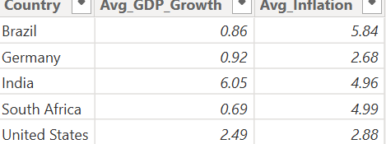

 |  | Figure 1: Summary table showing average GDP growth and inflation per country over the 10-year period

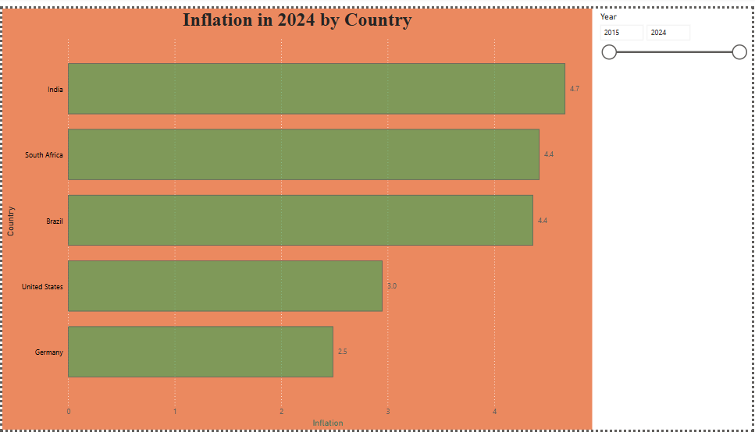

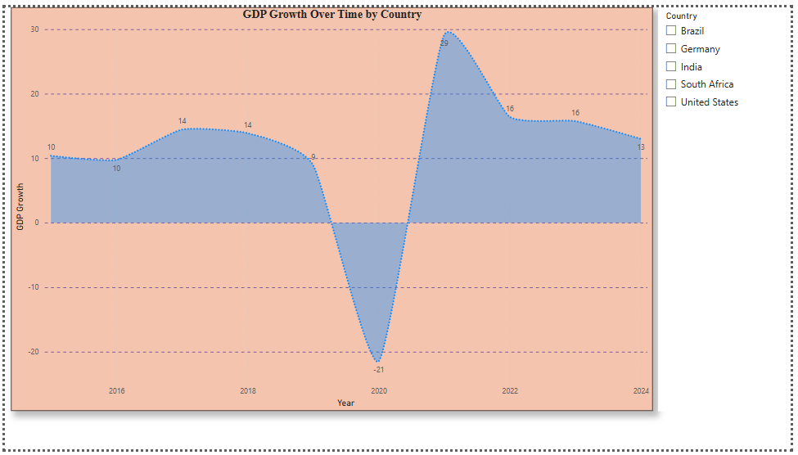

 | FIGURE 3: Bar Chart comparsing inflation rates in 2024

Report Summary Line Chart: GDP Growth Over Time by Country This chart visualizes the annual GDP growth trends for each country from 2015 to 2024. |  |  |  |  | FIGURE 2: Line Chart of GDP growth over time by Country
It helps identify economic patterns, recoveries, or slowdowns across countries over time.
Bar Chart: Inflation Rates in 2024 by Country This chart compares inflation rates across countries specifically for the year 2024. It highlights which countries experienced higher or lower inflation during that year.

Summary Table: Average GDP Growth and Inflation (10-Year Period) This table shows the average GDP growth and average inflation rate per country across the full 10-year period. It provides a concise view of long-term economic performance and stability.

